About
DR Discount Rate

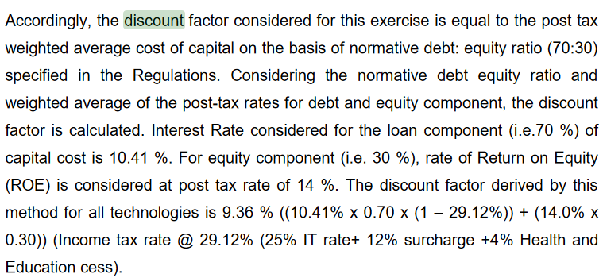
Source: | Central Electricity Regulatory Commission
 | 2019
 | CERC RE Tariff Order 2019-20
 | http://www.cercind.gov.in/2019/orders/1-SM-2019Suo-Motu.pdf
 | Page 17, Item 7

Notes:
This is the annual percentage rate by which future savings (e.g. fuel cost savings) are discounted when
making price-driven purchasing decisions in the current year. The value used should be one that is
reasonable for people who are looking to buy fuel-consuming capital equipment, such as industrial
equipment or building components.

For India, CERC gives a discount rate norm (9.36%) for all
technologies for the power sector. This variable is primarily used by the
power sector, to assist in investment decisions, so a power sector rate
is the best choice for this variable.

